Application Screen
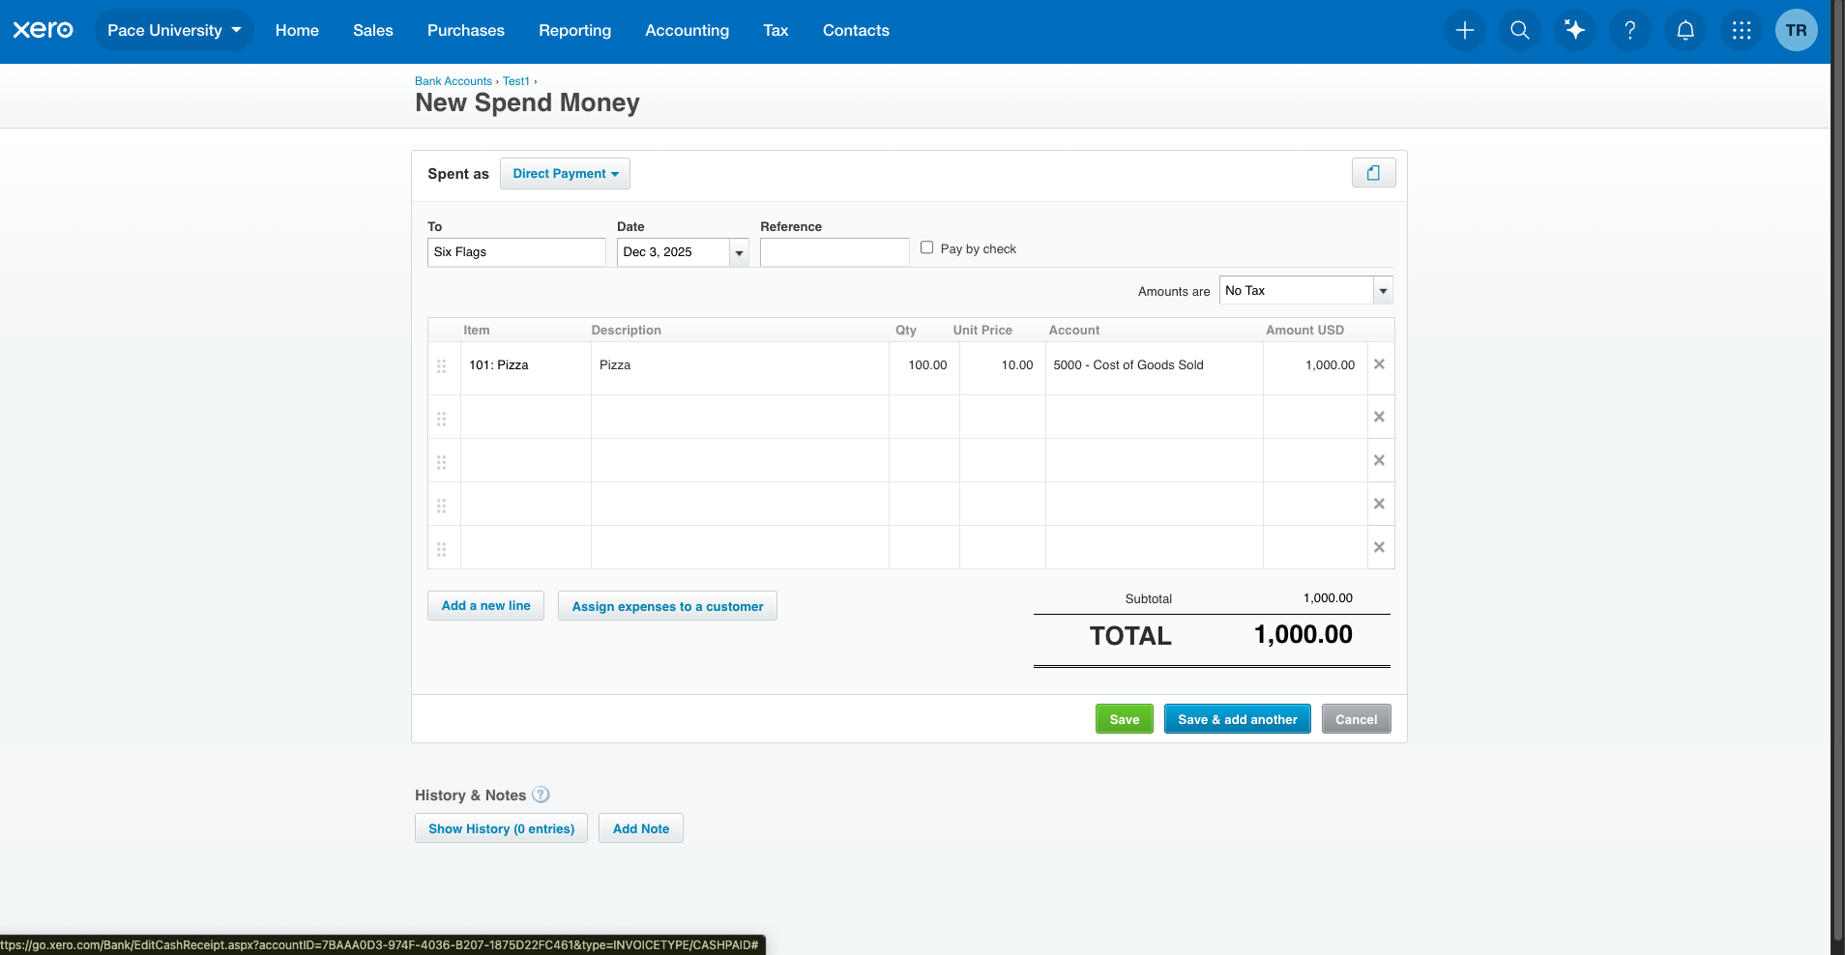

Test Case 15
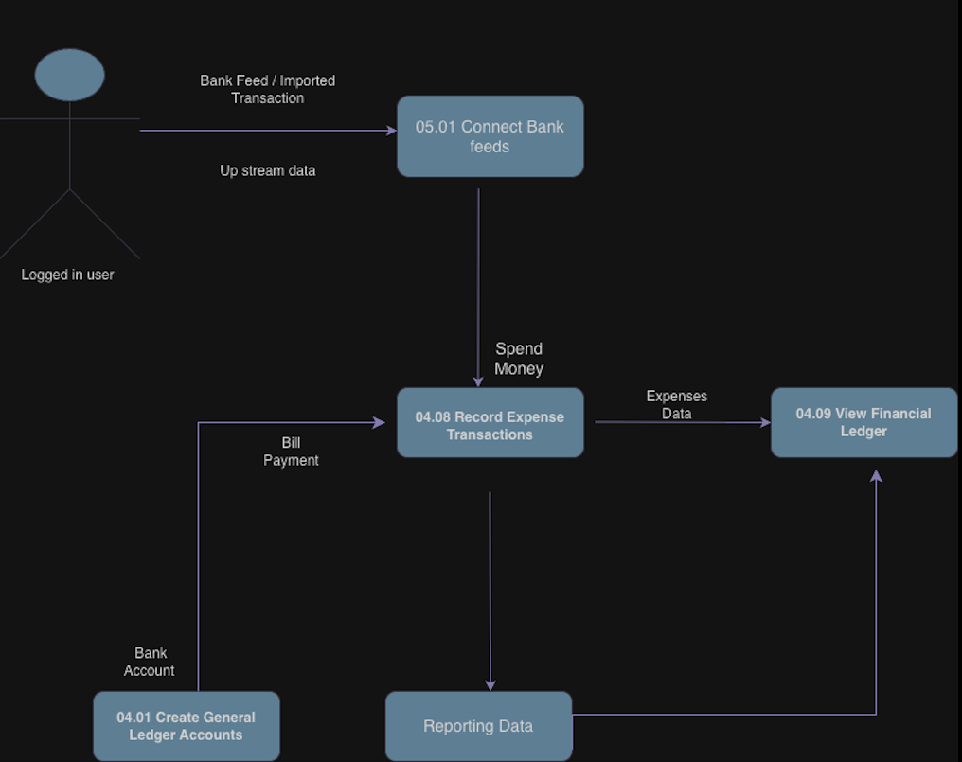
TC Title: | Record Expense Transactions — Data Flow In

TC Objective: | Validate that expense transactions can originate from upstream flows (e.g., bank feeds, bills) and that data is mapped correctly into the Spend Money form.

Test Data (optional):
 | Bank Feed Transaction: Withdrawal $500 to Supplier A Bill Payment: Bill #456, $250 paid to Supplier B

TC Description
 | Step | Step Description | Expected Results
 | 1 | Log in as Advisor. | Dashboard loads successfully.
 | 2 | Navigate to Bank Accounts → Reconcile. | Bank feed transactions visible.
 | 3 | Select withdrawal transaction ($500 to Supplier A). Click Create → Spend Money. | Spend Money form opens pre‑populated with Contact = Supplier A, Amount = $500, Date = feed date.
 | 4 | Review pre‑populated fields. | Contact, Amount, Date mapped correctly; Account defaults applied; Tax Rate defaults applied.
 | 5 | Adjust Account to Office Supplies and click Save. | Transaction saved successfully; mapped correctly to GL.
 | 6 | Navigate to Business → Bills → Payments. | Bill #456 payment visible.
 | 7 | Select payment ($250 to Supplier B). | Spend Money form opens pre‑populated with Contact = Supplier B, Amount = $250, Date = payment date.
 | 8 | Save transaction. | Transaction saved successfully; linked to bill payment; reflected in GL and AP reports.
 | 9 | Verify in General Ledger and Bank Account balance. | Both transactions appear correctly; upstream data mapped without errors.

